00_HOW_TO_GUIDE
[ENG]
CITY WORKS RESOURCES INVENTORY - HOW-TO GUIDE
WHAT IS THE CITY WORKS RESOURCES INVENTORY
The City WORKS Resources Inventory is a database of over 300 resources, including a vast range of tools such as relevant publications, guidance documents, useful links, websites, stand-alone tools among other types of resource from a wide range of organizations and institutions.
The City WORKS Resources Inventory figures as one of the products of City WORKS, and should function as an inventory of relevant resources for development practitioners (such as advisors, urban planners, consultants) who accompany local governments in connecting local action to global agendas.
It is a living document, and aims to be regularly update with new resources. You may notice that some categories or sections have yet to be completed.
HOW TO USE THE RESOURCES INVENTORY
The City WORKS Resources Inventory is a database in the excel format with the following sheets:
[ESP]
INVENTARIO DE CITY WORKS - UNA GUÍA PRÁCTICA
¿QUÉ ES EL INVENTARIO DE RECURSOS DE CITY WORKS?
El Inventario de Recursos de City WORKS es una base de datos de más de 300 recursos, que incluye una amplia gama de herramientas como publicaciones relevantes, documentos de orientación, enlaces útiles, sitios web, herramientas independientes entre otros tipos de recursos de una amplia gama de organizaciones e instituciones.
El Inventario de recursos de City WORKS figura como uno de los productos de City WORKS, y debería funcionar como un inventario de recursos pertinentes para los profesionales del desarrollo (como asesores, planificadores urbanos, consultores) que acompañan a los gobiernos locales en la conexión de la acción local con los programas mundiales.
Es un documento vivo, y tiene por objeto ser actualizado regularmente con nuevos recursos. Es posible que note que algunas categorías o secciones aún no se han completado.
CÓMO UTILIZAR EL INVENTARIO
El Inventario de Recursos de City WORKS es una base de datos en formato excel con las siguientes hojas:
[FR]
INVENTAIRE DES RESSOURCES DE CITY WORKS - GUIDE PRATIQUE
QU'EST-CE QUE L'INVENTAIRE DES RESSOURCES DE CITY WORKS?
L'inventaire des ressources de City WORKS est une base de données de plus de 300 ressources, comprenant une vaste gamme d'outils tels que des publications pertinentes, des documents d'orientation, des liens utiles, des sites web, des outils autonomes, parmi d'autres types de ressources provenant d'un large éventail d'organisations et d'institutions.
L'inventaire des ressources de City WORKS figure parmi les produits de City WORKS, et devrait fonctionner comme un inventaire des ressources pertinentes pour les praticiens du développement (tels que les conseillers, les urbanistes, les consultants) qui accompagnent les gouvernements locaux dans la connexion de l'action locale aux agendas mondiaux.
Il s'agit d'un document évolutif, qui doit être régulièrement mis à jour avec de nouvelles ressources. Vous remarquerez peut-être que certaines catégories ou sections n'ont pas encore été complétées.
COMMENT UTILISER L'INVENTAIRE
L'inventaire des ressources de City WORKS est une base de données au format excel avec les feuilles suivantes:

01_DATABASE_AllResources | All Compiled Resources relevant to topics covered by City WORKS | 01_DATABASE_AllResources | Todos los recursos compilados pertinentes a los temas cubiertos por City WORKS | 01_DATABASE_AllResources | Toutes les ressources compilées en rapport avec les sujets couverts par l'outil City WORKS
02_CityWORKS_MainResources | Main/priority Resources: These are the tools / resources recommended to integrate directly into City WORKS | 02_CityWORKS_MainResources | Recursos principales/prioritarios: Estas son los recursos recomendados para integrar directamente a la herramienta City WORKS | 02_CityWORKS_MainResources | Ressources principales/prioritaires : Voici les outils/ressources recommandés à intégrer directement dans City WORKS
03_CityWORKS_RefResources | Reference Resources.: Resources, tools, examples recommended to reference in City WORKS | 03_CityWORKS_RefResources | Recursos de referencia.: Recursos, herramientas, ejemplos recomendados para referirse en City WORKS | 03_CityWORKS_RefResources | Ressources de référence. : Ressources, outils, exemples recommandés à référencer dans City WORKS
04_CityWORKS_GIZResources | GIZ specific resources relevant to City WORKS (tools, guidance documents etc) | 04_CityWORKS_GIZResources | Recursos específicos de GIZ relevantes para City WORKS (herramientas, documentos de orientación, etc.) | 04_CityWORKS_GIZResources | Ressources spécifiques de GIZ concernant City WORKS (outils, documents d'orientation, etc.)

Each category on sheets 01, 02. 03 & 04 can be filtered in order to narrow the search, by clicking on the arrow, and then selecting filter categories:
Cada categoría de las hojas 01, 02, 03 y 04 puede ser filtrada para ajustar la búsqueda, haciendo clic en la flecha, y luego seleccionando las categorías de filtro:
Chaque catégorie des feuilles 01, 02. 03 & 04 peut être filtrée afin de restreindre la recherche, en cliquant sur la flèche, puis en sélectionnant les catégories de filtre, et en restreignant les résultats:

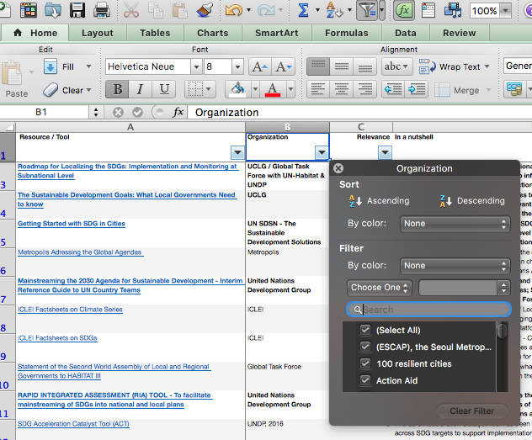

City WORKS has been developed by the Sector Project Urbanisation, Municipal and Urban Development on behalf of the German Federal Ministry for Economic Cooperation and Development (BMZ)
As a federally owned enterprise, GIZ supports the German Government in achieving its objectives in the field of international cooperation for sustainable development.
Published by
Deutsche Gesellschaft für
Internationale Zusammenarbeit (GIZ) GmbH
Registered offices: Bonn und Eschborn
Responsible
Felix Döhler (felix.doehler@giz.de) | Advisor
Johanna Pohl (johanna.pohl@giz.de) | Advisor
Terms of use
GIZ poses no restriction to reproduction/translation of materials as they are. We just kindly ask that Sector Project is made reference of, and that the representatives are informed. In case you wish to change or further develop the materials, please also contact the responsible.

